Buyer
Signup (Buyer)
Create your account

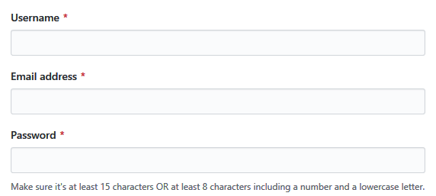

Mobile number
*

Signup

Singup as seller

Login
Username
*

Password
*

Login

Search an Item

Search

Seller
Signup (Seller)
Create your account

Company name
*

Contact number
*

GSTIN
*

Postal address
*

Website

Brief about company

Signup

Singup as buyer

Login
Username
*

Password
*

Login

